10-01-2025
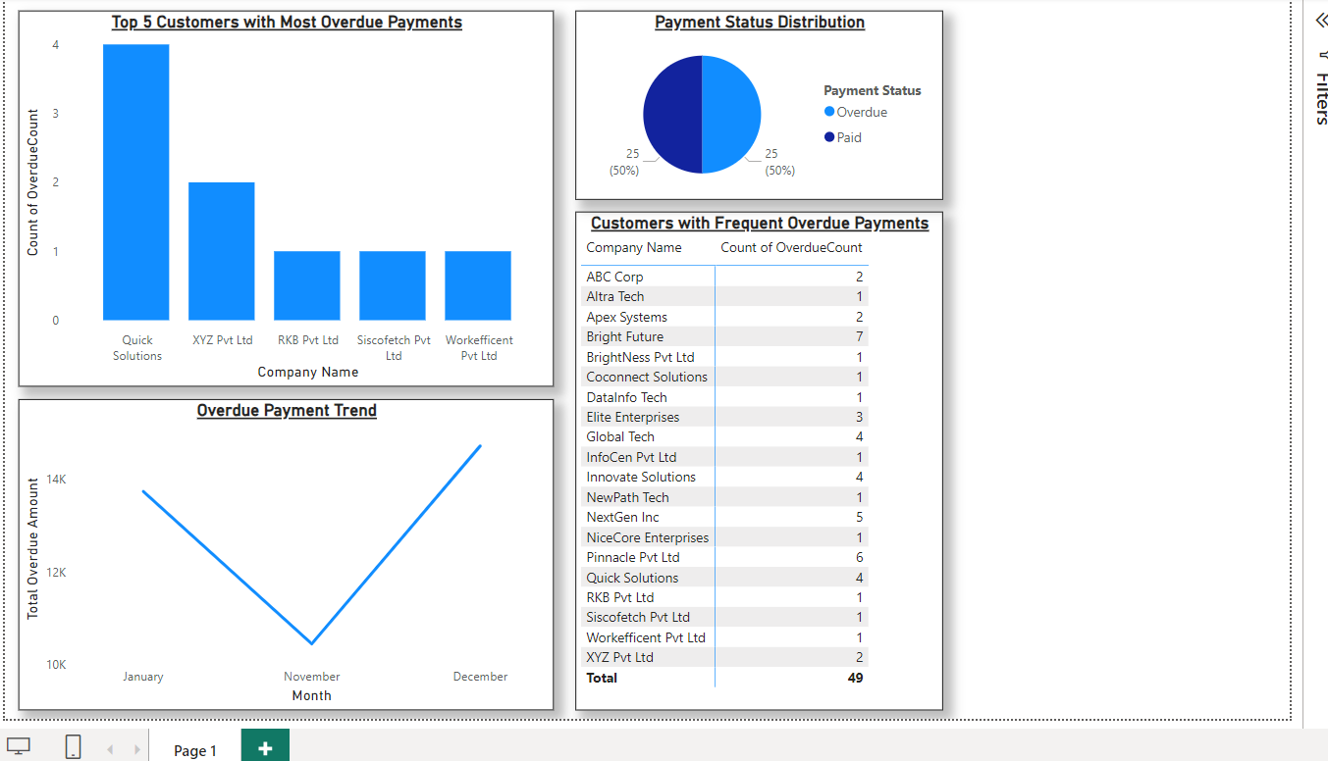
Date | Project | Data Summary | Status | Source | Details | Action Items
10-Jan-25 | Dashboard Design and Development | Finance History | In Progress | Power BI Dashboard | Created visualizations to analyze sales trends, identify top customers with overdue payments, track overdue payment amounts, and understand payment status distribution. | Review and refine visualizations. Consider adding interactive elements and filters.

